Architecture
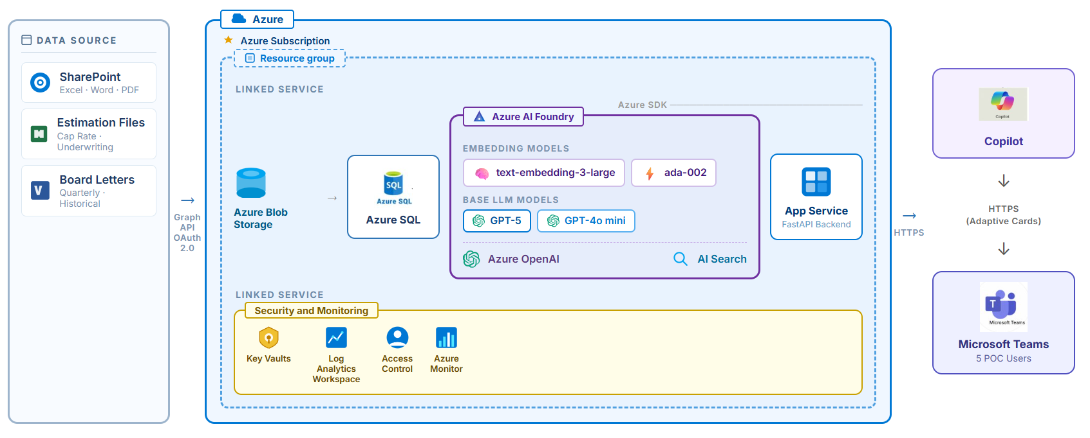

Use Case 1 – Estimation & Underwriting (Cap Rate Analysis) · Adaptive Card trigger → Text output
Use Case 2 – Quarterly Board Letter Review & Revision · Teams agent search → Text output

